Sheet2
 |  | Datasource |  | Attributes |  | Description
S.No |  | Registered Listener |  | samplingPeriodUs | maxReportLatencyUs | Sensitivity & Range of events | Some Refrence from internet browsering
1 |  | CaptureSession |  | outputs |  | Capture images
2 |  | transmission |  | carrierFrequency | pattern | infrared model transmission
3 |  | Scada |  | 2–5 sec | 2-4 sec | Supervisory Control And Data Acquistion - Collect measurements and status data from the process
4 |  | Fast Track Transponder (ETC) |  |  |  | collects Toll Tax electronically when the vehicle passes the expressway limit. Data - vehicle details that is registered + Toll amount from the vehicle owners cash card.
5 |  | render |  | renderMode |  | bitmap pagging
6 |  | Drone Cameras |  | 100ms |  | the flight information to be recorded at the minimum sampling rate
7 |  | readAt |  | position | buffer | data related to media
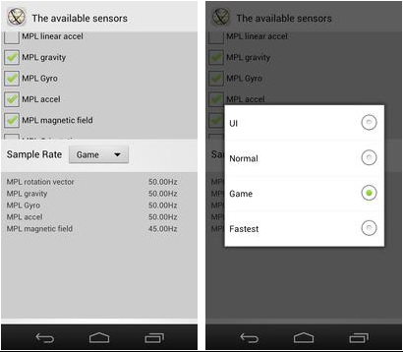
8 |  | Industrial Equipments Example : pressure sensor |  | nanoseconds | nanoseconds | measurement data of gas or liquid commodity
9 |  | Smart phone UI sensor |  | 14.3 Hz | nanoseconds | data measured from user smart phone user interface
10 |  | CRM apps |  | once/ day | once / day | customer call logs or application logs
11 |  | ERP apps |  | once/ day | once / day | data from Invoices, settlementsfrom CRM applications
12 |  | Wearables Example: smart watches | Accelerometer, gyroscope and magnetometer that are comparable to embedded sensors in wearable devices | 0Hz or 30Hz / hour |  | data related to patient heart rate, step counter, calories, miles achived
13 |  | Medical equipment Example: pace makers |  | nanoseconds | nanoseconds | electrical impulses
14 |  | Automobile |  | nanoseconds | nanoseconds | data from and for Smart cars or Mine Trucks
15 |  | BellaDati IoT Data Collector
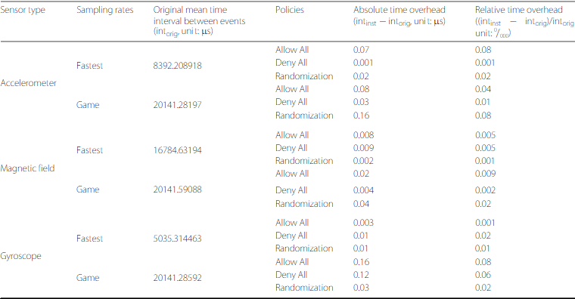
16 |  | Satellites and Telescopes |  | nanoseconds | nanoseconds | monitor weather and atmosphere monotoring
17 |  | Smartphone Sensor - Accelerometer |  | 100-200 samples/ second | 100Hz to maximum | accelerometer sensor data
18 |  | Smartphone Sensor - Gyroscope |  | 201434422 nanosecond | 100Hz to maximum | Time and Distance data
19 |  | Smartphone Sensor - Proximity and Light sensor (Samsung Galaxy S3) |  | 5 - 750 Hz | nanoseconds | data of detecting nearby objects without any physical contact
20 |  | motion sensor |  | 80-100Hz | nanoseconds | data of detecting moving objects, particularly people
21 |  | analog sensor. Eg. Temperature sensor |  | 1- 16.67Hz | nanoseconds | Arduino data which is analog in nature and should be trandformed to digital to further process sensitivity is ratiometric to supply voltage;
22 |  | Heart sensor |  | 2Hz (0.5s) ; 35000 plots/day | nanoseconds | data measurement of one's heart rate in real time or historical
23 |  | Humidity sensor |  | 2000 ms / 2 secs | nanoseconds | data measurinment of amount of humidity and water vapor in the atmosphere or in soil
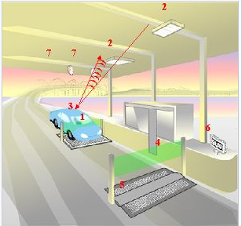
24 | Ocean Climate Stations | ATLAS data logger | Wind -u, v components, scalar speed, direction | 2-hz | not defined | Data from OCS moorings are obtained from three different data collection systems; the older ATLAS data logger, the newer Flex system, and the MApCO2 system. The table below describes the sampling scheme for each measurement type |  | This is FastTrack Transponder used for FasTrak toll collections system
25 |  |  | Air Temperature, Relative Humidity | 2-hz | not defined
26 |  |  | Shortwave radiation | 1-hz | not defined
27 |  |  | Longwave radiation (thermopile, case and dome temperatures) | 1-hz | not defined
28 |  |  | Rain (1 min volumes, processed to rates with highest resolution of 10 min) | 1-hz | not defined
29 |  |  | Temperature & Conductivity (sea surface and subsurface) | 1 per 10 min | not defined
30 |  |  | Currents | 1 per 10 min | not defined
31 |  | FLEX System | Wind | 2 -hz | not defined
32 |  |  | Wind Gusts (following WMO definition) | 2 -hz | not defined
33 |  |  | Air Temperature Relative Humidity | 1-hz | not defined
34 |  |  | Barometric Pressure | 1-hz | not defined
35 |  |  | Shortwave radiation | 1-hz | not defined
36 |  |  | Longwave radiation (thermopile, case and dome temperatures) | 1-hz | not defined
37 |  |  | Rain (1 min volumes, processed to rates with highest resolution of 10 min) | 1-hz | not defined
38 |  |  | Temperature & Conductivity (sea surface and subsurface) | 1 per 10 min | not defined
39 |  |  | Currents | 1-hz | not defined
40 |  | MAPCO2 Systems | Air and sea surface water pCO2, O2, pH, turbidity, gas tension | 2-hz | not defined
41 |  | DHT11 (Temperature + humidity) |  | 1 Hz / 1 sec | not defined | Arduino analog sensor
42 |  | DHT22(Temperature + humidity)) |  | 0.5 Hz / 2 sec | not defined | Arduino analog sensor
43 |  | input NetworkHandle |  | networkHandle | not defined | N/Wconnection
44 |  | requestInterruptionFilter |  | interruptionFilter | not defined | Notifications
45 |  | bluetoothGatt |  | boolean | real time (nanoseconds) | GATT server connections
46 |  | PLC (Programable Logic Controllers) devices |  | 2-5ms | 2-4 milliseconds | data from Human machine interface devices. Example - transactions on ATM machines, movie ticketing systems, caltrain ticketing systems
47 |  | HMI (Human Machine Interface) devices Example: ATM, Movie ticketing |  | 1 / user input | 0.4 / user input | data generated by the users touch on the device screen

